STS_S&P 2
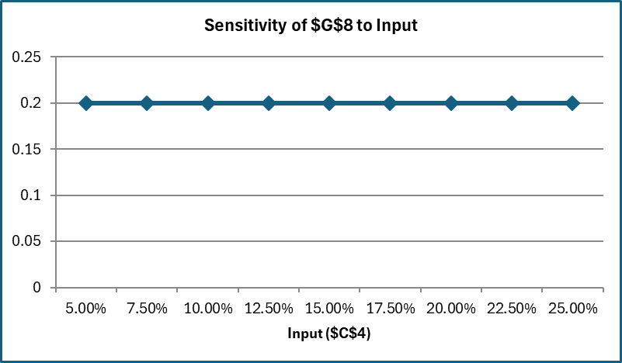
One-way analysis for Solver model in Sheet1_AB worksheet |  |  |  |  |  |  | Sensitivity of $C$8 to Input

When you select an output from the dropdown list in cell $K$4, the chart will adapt to that output.
Input (cell $C$4) values along side, output cell(s) along top |  |  |  |  |  |  | Data for chart
 | $C$8 | $D$8 | $E$8 | $F$8 | $G$8 | 1 | $C$8
5.00% | 15% | 15% | 17% | 33% | 20% |  | 0.15000000596
7.50% | 15% | 15% | 21% | 29% | 20% |  | 0.15000000596
10.00% | 15% | 15% | 24% | 26% | 20% |  | 0.15000000596
12.50% | 15% | 15% | 27% | 23% | 20% |  | 0.15000000596
15.00% | 15% | 15% | 29% | 21% | 20% |  | 0.15000000596
17.50% | 31% | 15% | 19% | 15% | 20% |  | 0.30599017693
20.00% | 35% | 15% | 15% | 15% | 20% |  | 0.35
22.50% | 35% | 15% | 15% | 15% | 20% |  | 0.35000000596
25.00% | 35% | 15% | 15% | 15% | 20% |  | 0.35000000596
 |  |  |  |  |  | $C$8 is investment weight in S&P 500 |  | $D$8 is investment weight in Bond
Sensitivity of $C$8 to Input
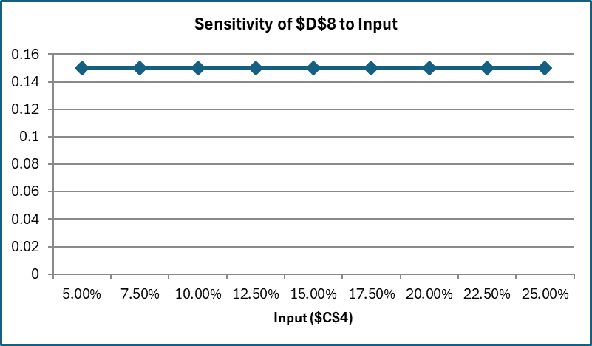

 |  |  |  |  |  | $E$8 is investment weight in Gold |  | $F$8 is investment weight in Nasdaq
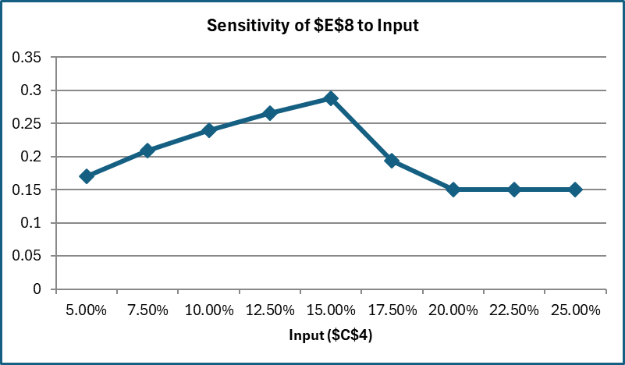
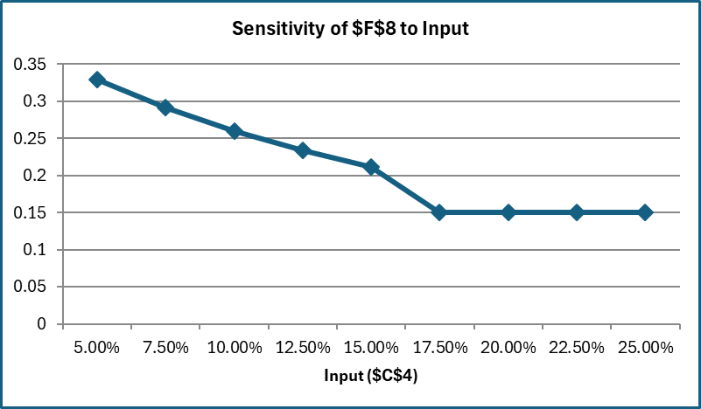

 |  |  |  |  |  | $F$8 is investment weight in VTI

STS_1
One-way analysis for Solver model in Sheet1_AB worksheet |  |  |  |  |  |  | Sensitivity of Gold_Allocation to Input

When you select an output from the dropdown list in cell $K$4, the chart will adapt to that output.
Input (cell $C$4) values along side, output cell(s) along top |  |  |  |  |  |  | Data for chart
 | SP500_Allocation | Bond_Allocation | Gold_Allocation | Nasdaq_Allocation | VTI_Allocation | 3 | Gold_Allocation
5.00% | 15% | 15% | 17% | 33% | 20% |  | 0.1706736092
7.50% | 15% | 15% | 21% | 29% | 20% |  | 0.20882557088
10.00% | 15% | 15% | 24% | 26% | 20% |  | 0.23997793333
12.50% | 15% | 15% | 27% | 23% | 20% |  | 0.26589559551
15.00% | 15% | 15% | 29% | 21% | 20% |  | 0.28779556335
17.50% | 31% | 15% | 19% | 15% | 20% |  | 0.19400982903
20.00% | 35% | 15% | 15% | 15% | 20% |  | 0.15
22.50% | 35% | 15% | 15% | 15% | 20% |  | 0.15
25.00% | 35% | 15% | 15% | 15% | 20% |  | 0.15

Sensitivity of Gold_Allocation to Input

STS_Bond
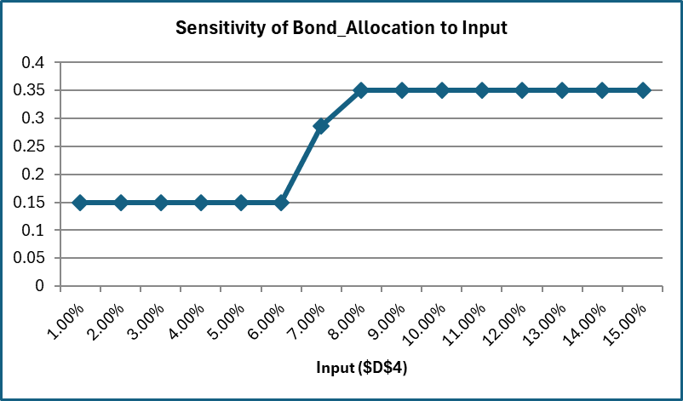
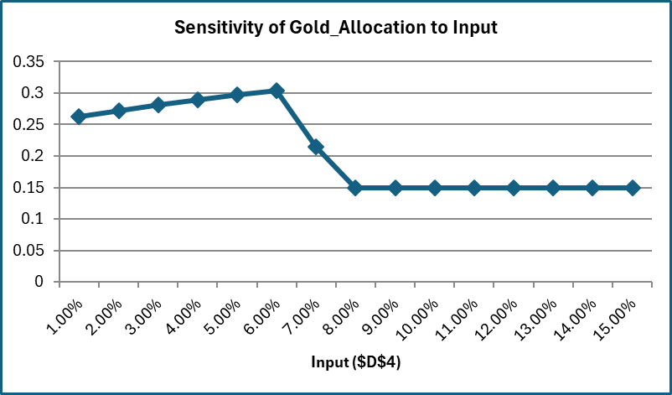
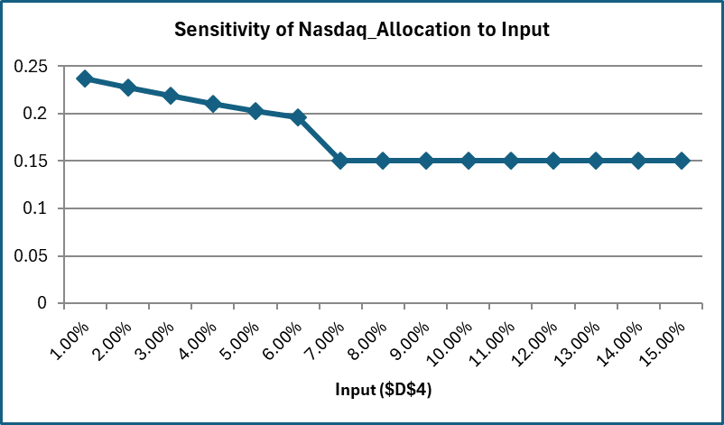
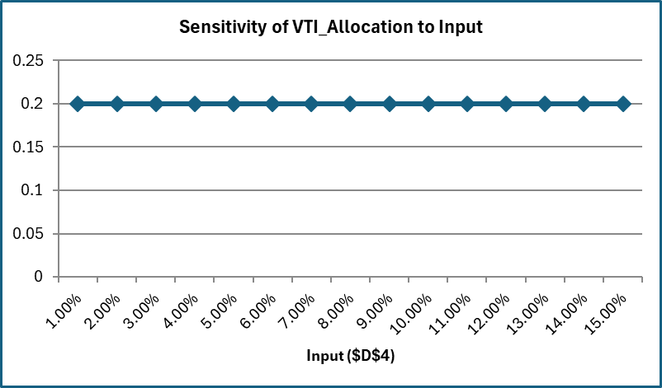
One-way analysis for Solver model in Sheet1_AB worksheet |  |  |  |  |  |  | Sensitivity of SP500_Allocation to Input

When you select an output from the dropdown list in cell $K$4, the chart will adapt to that output.
Input (cell $D$4) values along side, output cell(s) along top |  |  |  |  |  |  | Data for chart
 | SP500_Allocation | Bond_Allocation | Gold_Allocation | Nasdaq_Allocation | VTI_Allocation | 1 | SP500_Allocation
1.00% | 15% | 15% | 26% | 24% | 20% |  | 0.15000000596
2.00% | 15% | 15% | 27% | 23% | 20% |  | 0.15000000596
3.00% | 15% | 15% | 28% | 22% | 20% |  | 0.15000000596
4.00% | 15% | 15% | 29% | 21% | 20% |  | 0.15000000596
5.00% | 15% | 15% | 30% | 20% | 20% |  | 0.15000000596
6.00% | 15% | 15% | 30% | 20% | 20% |  | 0.15000000596
7.00% | 15% | 29% | 21% | 15% | 20% |  | 0.15000000596
8.00% | 15% | 35% | 15% | 15% | 20% |  | 0.15000000596
9.00% | 15% | 35% | 15% | 15% | 20% |  | 0.15000000596
10.00% | 15% | 35% | 15% | 15% | 20% |  | 0.15000000596
11.00% | 15% | 35% | 15% | 15% | 20% |  | 0.15000000596
12.00% | 15% | 35% | 15% | 15% | 20% |  | 0.15000000596
13.00% | 15% | 35% | 15% | 15% | 20% |  | 0.15000000596
14.00% | 15% | 35% | 15% | 15% | 20% |  | 0.15000000596
15.00% | 15% | 35% | 15% | 15% | 20% |  | 0.15000000596

Sensitivity of SP500_Allocation to Input

STS_Gold
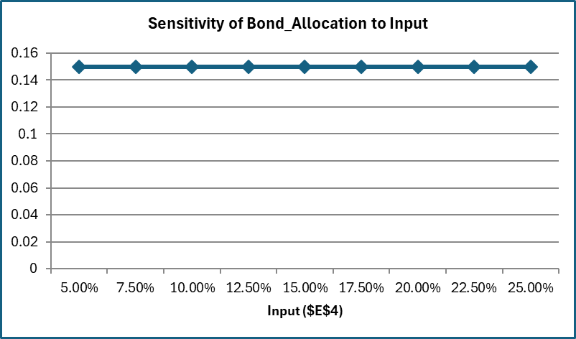
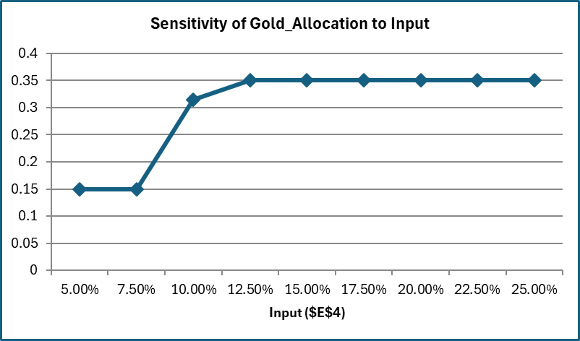
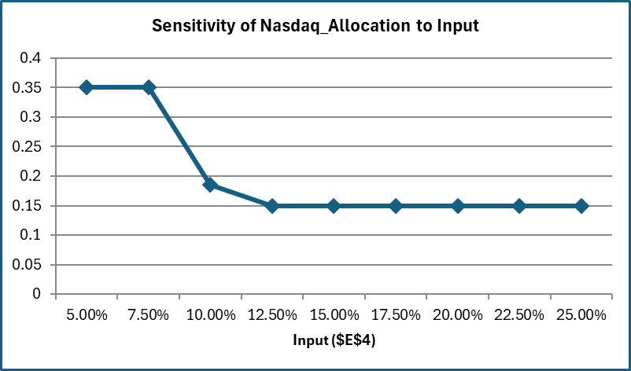
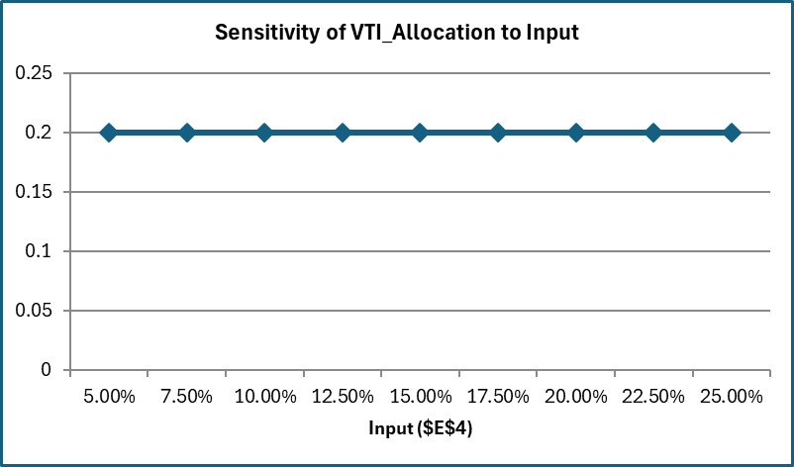
One-way analysis for Solver model in Sheet1_AB worksheet |  |  |  |  |  |  | Sensitivity of SP500_Allocation to Input

When you select an output from the dropdown list in cell $K$4, the chart will adapt to that output.
Input (cell $E$4) values along side, output cell(s) along top |  |  |  |  |  |  | Data for chart
 | SP500_Allocation | Bond_Allocation | Gold_Allocation | Nasdaq_Allocation | VTI_Allocation | 1 | SP500_Allocation
5.00% | 15% | 15% | 15% | 35% | 20% |  | 0.15000000596
7.50% | 15% | 15% | 15% | 35% | 20% |  | 0.15000000596
10.00% | 15% | 15% | 31% | 19% | 20% |  | 0.15000000596
12.50% | 15% | 15% | 35% | 15% | 20% |  | 0.15000000596
15.00% | 15% | 15% | 35% | 15% | 20% |  | 0.15000000596
17.50% | 15% | 15% | 35% | 15% | 20% |  | 0.15000000596
20.00% | 15% | 15% | 35% | 15% | 20% |  | 0.15000000596
22.50% | 15% | 15% | 35% | 15% | 20% |  | 0.15000000596
25.00% | 15% | 15% | 35% | 15% | 20% |  | 0.15000000596

Sensitivity of SP500_Allocation to Input

STS_Nasdaq

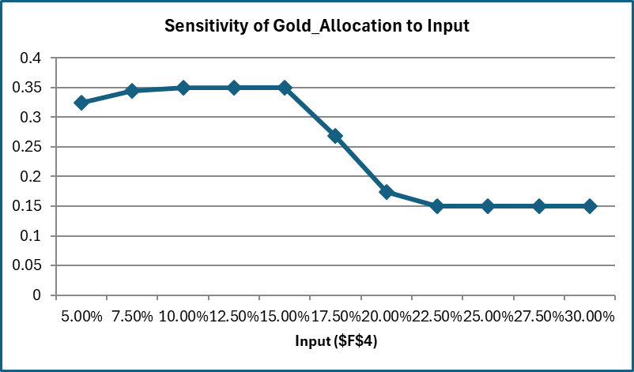
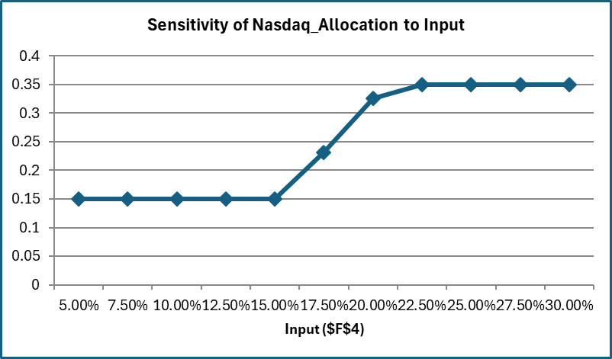
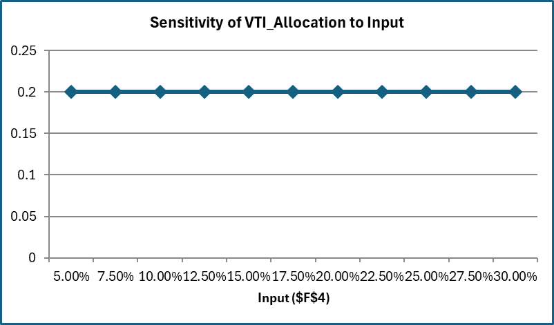
One-way analysis for Solver model in Sheet1_AB worksheet |  |  |  |  |  |  | Sensitivity of SP500_Allocation to Input

When you select an output from the dropdown list in cell $K$4, the chart will adapt to that output.
Input (cell $F$4) values along side, output cell(s) along top |  |  |  |  |  |  | Data for chart
 | SP500_Allocation | Bond_Allocation | Gold_Allocation | Nasdaq_Allocation | VTI_Allocation | 1 | SP500_Allocation
5.00% | 18% | 15% | 32% | 15% | 20% |  | 0.17579998297
7.50% | 16% | 15% | 34% | 15% | 20% |  | 0.15603756814
10.00% | 15% | 15% | 35% | 15% | 20% |  | 0.15000000596
12.50% | 15% | 15% | 35% | 15% | 20% |  | 0.15000000596
15.00% | 15% | 15% | 35% | 15% | 20% |  | 0.15000000596
17.50% | 15% | 15% | 27% | 23% | 20% |  | 0.15000000596
20.00% | 15% | 15% | 17% | 33% | 20% |  | 0.15000000596
22.50% | 15% | 15% | 15% | 35% | 20% |  | 0.15000000596
25.00% | 15% | 15% | 15% | 35% | 20% |  | 0.15000000596
27.50% | 15% | 15% | 15% | 35% | 20% |  | 0.15000000596
30.00% | 15% | 15% | 15% | 35% | 20% |  | 0.15000000596

Sensitivity of SP500_Allocation to Input

STS_VTI

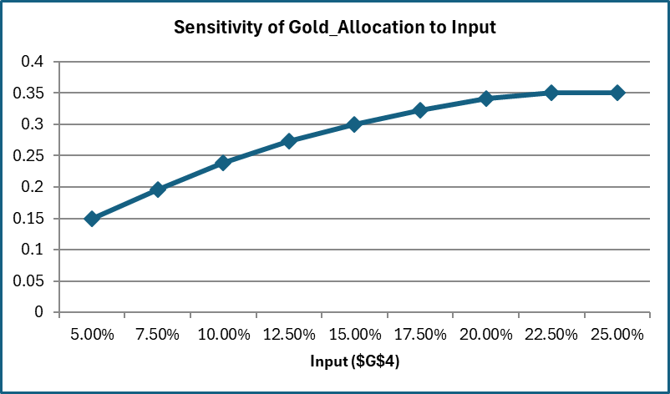
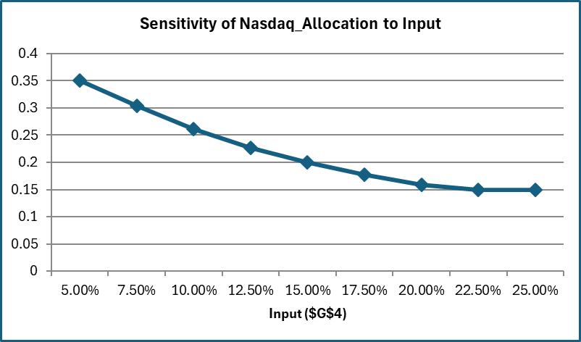

One-way analysis for Solver model in Sheet1_AB worksheet |  |  |  |  |  |  | Sensitivity of SP500_Allocation to Input

When you select an output from the dropdown list in cell $K$4, the chart will adapt to that output.
Input (cell $G$4) values along side, output cell(s) along top |  |  |  |  |  |  | Data for chart
 | SP500_Allocation | Bond_Allocation | Gold_Allocation | Nasdaq_Allocation | VTI_Allocation | 1 | SP500_Allocation
5.00% | 15% | 15% | 15% | 35% | 20% |  | 0.15000000596
7.50% | 15% | 15% | 20% | 30% | 20% |  | 0.15000000596
10.00% | 15% | 15% | 24% | 26% | 20% |  | 0.15000000596
12.50% | 15% | 15% | 27% | 23% | 20% |  | 0.15000000596
15.00% | 15% | 15% | 30% | 20% | 20% |  | 0.15000000596
17.50% | 15% | 15% | 32% | 18% | 20% |  | 0.15000000596
20.00% | 15% | 15% | 34% | 16% | 20% |  | 0.15000000596
22.50% | 15% | 15% | 35% | 15% | 20% |  | 0.15000000596
25.00% | 15% | 15% | 35% | 15% | 20% |  | 0.15000000596

Sensitivity of SP500_Allocation to Input

